CRON - Cheat sheet
S.NO. | Menu Option | Project | Jar Path | Configuration File path | Option Code | Input File Path | Command
1 | PERFORM COMPLETE MIGRATION | ADM | /home/itc02/Desktop/admdemo/demo/ADM-v1.0.jar | /home/itc02/Desktop/admdemo/demo/configuration/application.properties | -opt MIG | /home/itc02/Desktop/admdemo/demo/1.txt | java -jar -Dspring.config.location=classpath:/,/home/itc02/Desktop/admdemo/demo/configuration/application.properties /home/itc02/Desktop/admdemo/demo/ADM-v1.0.jar -opt MIG /home/itc02/Desktop/admdemo/demo/1.txt

2 | PERFORM SYNC | ADM | /home/itc02/Desktop/admdemo/demo/ADM-v1.0.jar | /home/itc02/Desktop/admdemo/demo/configuration/application.properties | -opt SYN | /home/itc02/Desktop/admdemo/demo/1.txt | java -jar -Dspring.config.location=classpath:/,/home/itc02/Desktop/admdemo/demo/configuration/application.properties /home/itc02/Desktop/admdemo/demo/ADM-v1.0.jar -opt SYN /home/itc02/Desktop/admdemo/demo/1.txt

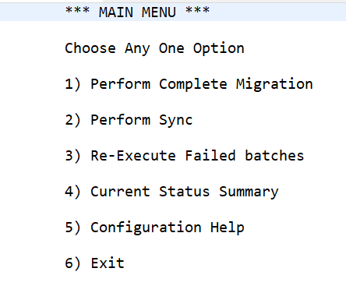

3 | RE-EXECUTE FAILDED BATCHES | ADM | /home/itc02/Desktop/admdemo/demo/ADM-v1.0.jar | /home/itc02/Desktop/admdemo/demo/configuration/application.properties | -opt EFB | /home/itc02/Desktop/admdemo/demo/1.txt | java -jar -Dspring.config.location=classpath:/,/home/itc02/Desktop/admdemo/demo/configuration/application.properties /home/itc02/Desktop/admdemo/demo/ADM-v1.0.jar -opt EFB /home/itc02/Desktop/admdemo/demo/1.txt

4 | CURRENT STATUS SUMMERY | ADM | /home/itc02/Desktop/admdemo/demo/ADM-v1.0.jar | /home/itc02/Desktop/admdemo/demo/configuration/application.properties | -opt STATUS | /home/itc02/Desktop/admdemo/demo/1.txt | java -jar -Dspring.config.location=classpath:/,/home/itc02/Desktop/admdemo/demo/configuration/application.properties /home/itc02/Desktop/admdemo/demo/ADM-v1.0.jar -opt STATUS /home/itc02/Desktop/admdemo/demo/1.txt

5 | CONFIGURATION HELP | ADM | /home/itc02/Desktop/admdemo/demo/ADM-v1.0.jar | /home/itc02/Desktop/admdemo/demo/configuration/application.properties | -opt HLP | INPUT FILE NOT NEEDED | java -jar -Dspring.config.location=classpath:/,/home/itc02/Desktop/admdemo/demo/configuration/application.properties /home/itc02/Desktop/admdemo/demo/ADM-v1.0.jar -opt HLP

